Excel Gantt Chart Template
Excel Gantt Chart Template

Enter Your Project Details Here |  |  | DURATION (days)
START DATE | END DATE | DESCRIPTION
7/25/17 | 8/30/17 | Enter Task 1 | 35
8/15/17 | 9/7/17 | Enter Task 2 | 22
8/15/17 | 9/17/17 | Enter Task 3 | 32
9/8/17 | 9/30/17 | Enter Task 4 | 22
10/4/17 | 11/7/17 | Enter Task 5 | 33
11/15/17 | 12/21/17 | Enter Task 6 | 36
1/6/18 | 3/16/18 | Enter Task 7 | 70
3/11/18 | 4/12/18 | Enter Task 8 | 31
4/1/18 | 5/16/18 | Enter Task 9 | 45

Make impressive PowerPoint Gantt charts for important meetings. |  |  |  | Download #1 Free Gantt chart maker for PowerPoint

 |  |  |  | www.officetimeline.com

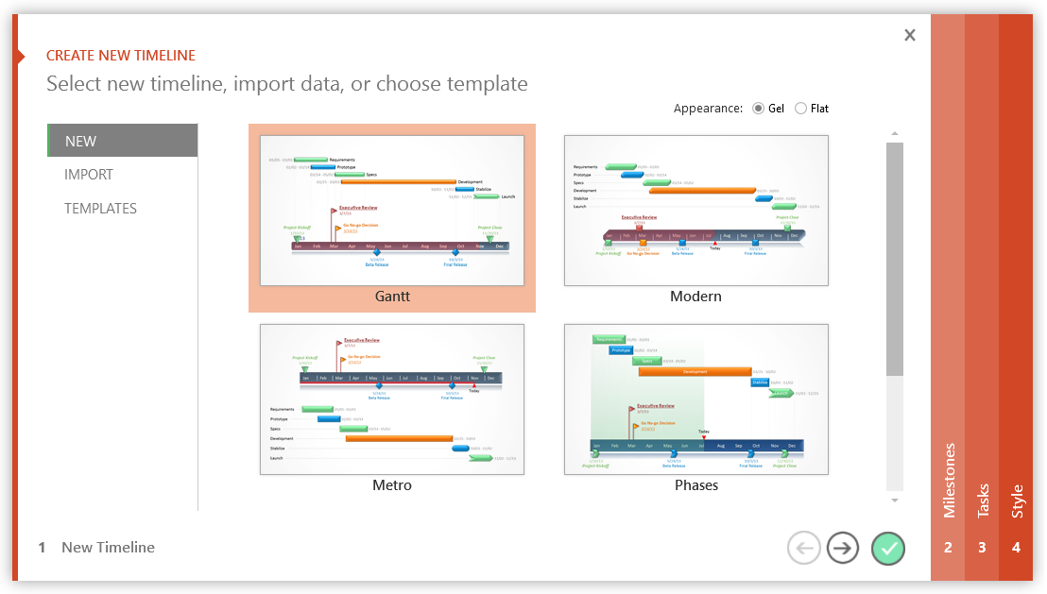

3 Easy steps to instantly turn Excel data into a PowerPoint slide
1. Download the Free Office Timeline plug-in - 14-day Trial Edition.
2. Open PowerPoint and click on NEW Timeline from the Office Timeline tab inside of PowerPoint.
Copy your Excel table and paste it into Office Timeline with the PASTE button.
3. Click the green SAVE button to instantly produce a PowerPoint Gantt chart slide.

Excel Timeline Template
Excel Timeline Template

Enter Your Project Details Here
DATE | DESCRIPTION | POSITION
5/10/16 | Kick Off | 1
6/7/16 | Milestone 1 | 2
7/21/16 | Milestone 2 | 1
8/1/16 | Checkpoint A | 4
9/20/16 | Milestone 3 | 3
10/30/16 | Milestone 4 | 2
12/20/16 | Checkpoint B | 3
1/30/17 | Milestone 5 | 4
2/10/17 | Milestone 6 | 1
3/30/17 | Milestone 7 | 2 |  | `
5/20/17 | Checkpoint C | 3
5/30/17 | Sign Off | 1

Make beautiful timelines in PowerPoint for important meetings. |  |  | Download #1 Free timeline add-in for PowerPoint

 |  |  | www.officetimeline.com

3 Easy steps to instantly turn Excel data into a PowerPoint slide
1. Download the Free Office Timeline plug-in - 14-day Trial Edition.
2. Open PowerPoint and click on NEW Timeline from the Office Timeline tab inside of PowerPoint.
Copy your Excel table and paste it into Office Timeline with the PASTE button.
3. Click the green SAVE button to instantly produce a PowerPoint Timeline slide.

 |  | https://www.officetimeline.com/download

