Excel Milestone Tracker
YOUR PROJECT |  |  | Make beautiful timelines in PowerPoint for important meetings.
TIMELINE
 | POSITION |  | DATE
Kick Off | 15 | 5/10/2023 | 1
Milestone 1 | 5 | 6/7/2023 | 1
Milestone 2 | 10 | 7/21/2023 | 1
Checkpoint A | -5 | 8/1/2023 | 1
Milestone 3 | 5 | 9/20/2023 | 1
Milestone 4 | 10 | 10/30/2023 | 1
Checkpoint B | -5 | 12/22/2023 | 1
Milestone 5 | 5 | 1/30/2024 | 1
Milestone 6 | 15 | 2/10/2024 | 1
Milestone 7 | 5 | 3/30/2024 | 1
Checkpoint C | -5 | 5/20/2024 | 1
Sign Off | 15 | 5/30/2024 | 1

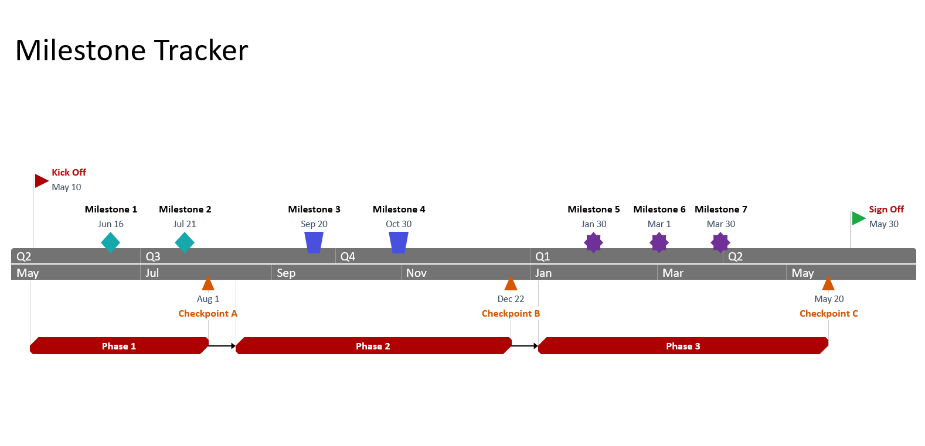
PROJECT DETAILS |  |  | Instantly turn Excel data into PowerPoint slides with the Office Timeline add-in for PowerPoint.
DATE | MILESTONE | POSITION
2023-05-10 | Kick Off | 15
2023-06-07 | Milestone 1 | 5
2023-07-21 | Milestone 2 | 10
2023-08-01 | Checkpoint A | -5
2023-09-20 | Milestone 3 | 5
2023-10-30 | Milestone 4 | 10
2023-12-22 | Checkpoint B | -5
2024-01-30 | Milestone 5 | 5
2024-02-10 | Milestone 6 | 15
2024-03-30 | Milestone 7 | 5
2024-05-20 | Checkpoint C | -5
2024-05-30 | Sign Off | 15
Excel Milestone Tracker Tips:
The role of the Position values in the Project Details table is to prevent the Milestone labels from overlapping each other on the timeline. Use positive numbers to position labels above the timeline and negative numbers to position them below.
To add additional Milestones, either insert new rows within the table or start typing below the last table entry, and the table will automatically expand to accommodate your newly added data.

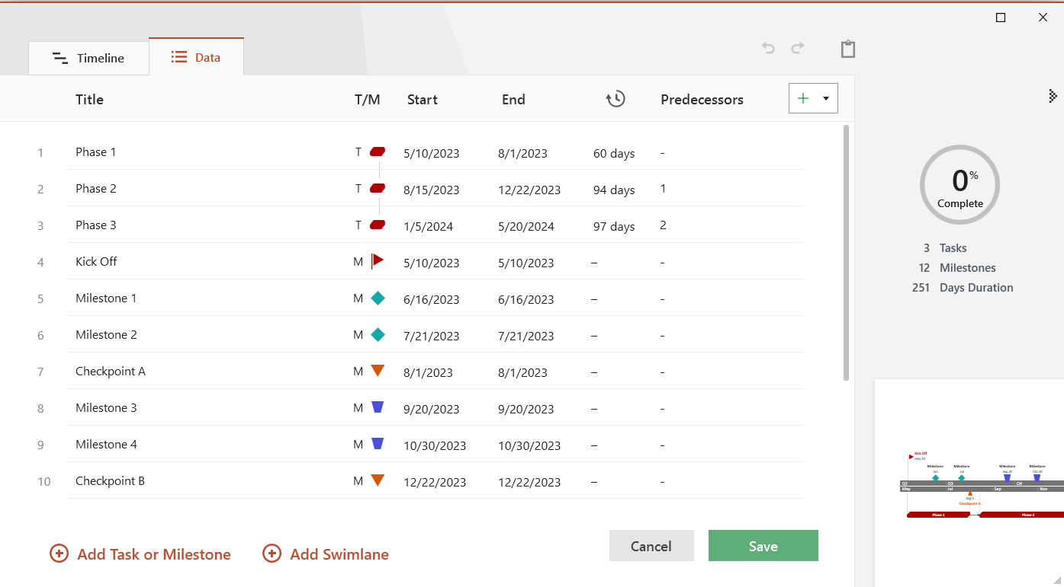

3 Easy steps to instantly turn Excel data into a PowerPoint slide
1. Download the Free Office Timeline plug-in for PowerPoint - 14-day Trial Edition..
2. Open PowerPoint and click on NEW Timeline from the Office Timeline tab inside of PowerPoint.
Copy your Excel Milestone Tracker table and paste it into Office Timeline with the PASTE button.
3. Click the green SAVE button to instantly produce you timeline slide.

