Excel Project Schedule Template
 | Excel Project Schedule Template

 |  |  |  |  |  |  |  |  |  |  | 2023-03-31 |  |  |  |  | 2023-04-07 |  |  |  |  | 2023-04-14 |  |  |  |  | 2023-04-21 |  |  |  |  | 2023-04-28 |  |  |  |  | 2023-05-05 |  |  |  |  | 2023-05-12
 | PROJECT START DATE | 27-Mar-2023 |  | SCROLL TO WEEK # |  |  |  |  |  | 1

 | Task | Planned Hours | Actual Hours | Hours Remaining | % Hours Used | Days | Planned Start Date | Planned End Date | % Complete |  | 2023-03-27 | 2023-03-28 | 2023-03-29 | 2023-03-30 | 2023-03-31 | 2023-04-03 | 2023-04-04 | 2023-04-05 | 2023-04-06 | 2023-04-07 | 2023-04-10 | 2023-04-11 | 2023-04-12 | 2023-04-13 | 2023-04-14 | 2023-04-17 | 2023-04-18 | 2023-04-19 | 2023-04-20 | 2023-04-21 | 2023-04-24 | 2023-04-25 | 2023-04-26 | 2023-04-27 | 2023-04-28 | 2023-05-01 | 2023-05-02 | 2023-05-03 | 2023-05-04 | 2023-05-05 | 2023-05-08 | 2023-05-09 | 2023-05-10 | 2023-05-11 | 2023-05-12
 |  |  |  |  |  |  |  |  |  |  | M | T | W | T | F | M | T | W | T | F | M | T | W | T | F | M | T | W | T | F | M | T | W | T | F | M | T | W | T | F | M | T | W | T | F
 | Remodel Project | 315 hrs | 308 hrs | 7 hrs | 98%
 | Preparing Plans | 72 hrs | 62 hrs | 10 hrs | 86%
 | Design Review | 16 hrs | 16 hrs | 0 hrs | 100% | 2 | 27-Mar-23 | 28-Mar-23 | 70%
 | Validation Procedures | 16 hrs | 12 hrs | 4 hrs | 75% | 2 | 29-Mar-23 | 30-Mar-23 | 40%
 | Design Complete | 40 hrs | 34 hrs | 6 hrs | 85% | 5 | 31-Mar-23 | 6-Apr-23 | 10%
 | Preparing Site Design | 91 hrs | 98 hrs | -7 hrs | 108%
 | Create Staffing Plan | 20 hrs | 30 hrs | -10 hrs | 150% | 3 | 7-Apr-23 | 11-Apr-23 | 70%
 | Plan Resources | 15 hrs | 12 hrs | 3 hrs | 80% | 2 | 12-Apr-23 | 13-Apr-23 | 50%
 | Implementation | 40 hrs | 44 hrs | -4 hrs | 110% | 5 | 14-Apr-23 | 20-Apr-23 | 30%
 | Readiness Reviews | 16 hrs | 12 hrs | 4 hrs | 75% | 2 | 21-Apr-23 | 24-Apr-23 | 20%
 | Phase 1 | 112 hrs | 114 hrs | -2 hrs | 102%
 | Task 1 | 24 hrs | 32 hrs | -8 hrs | 133% | 3 | 25-Apr-23 | 27-Apr-23 | 30%
 | Task 2 | 72 hrs | 68 hrs | 4 hrs | 94% | 9 | 28-Apr-23 | 10-May-23 | 45%
 | Task 3 | 16 hrs | 14 hrs | 2 hrs | 88% | 2 | 11-May-23 | 12-May-23 | 90%
 | Phase 2 | 40 hrs | 34 hrs | 6 hrs | 85%
 | Task 1 | 16 hrs | 11 hrs | 5 hrs | 69% | 2 | 13-May-23 | 15-May-23 | 10%
 | Task 2 | 24 hrs | 23 hrs | 1 hrs | 96% | 3 | 16-May-23 | 18-May-23 | 20%

Make beautiful timelines in PowerPoint for important meetings. |  |  |  |  |  |  |  |  |  |  | Instantly turn Excel data into PowerPoint slides with the Office Timeline add-in for PowerPoint.
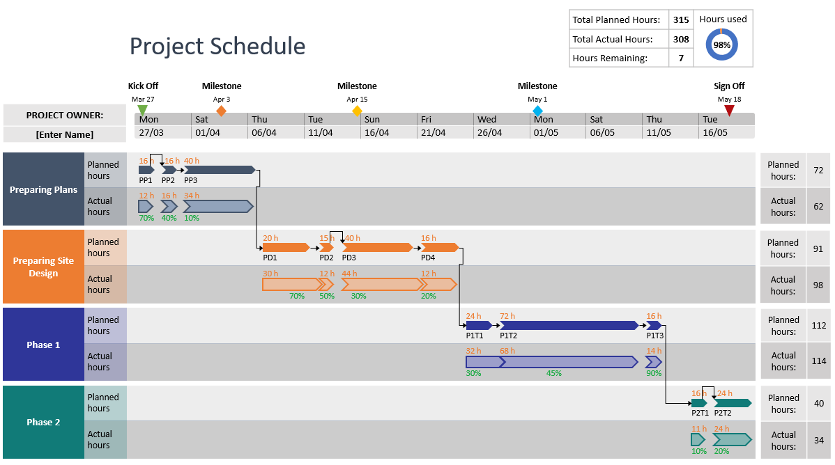
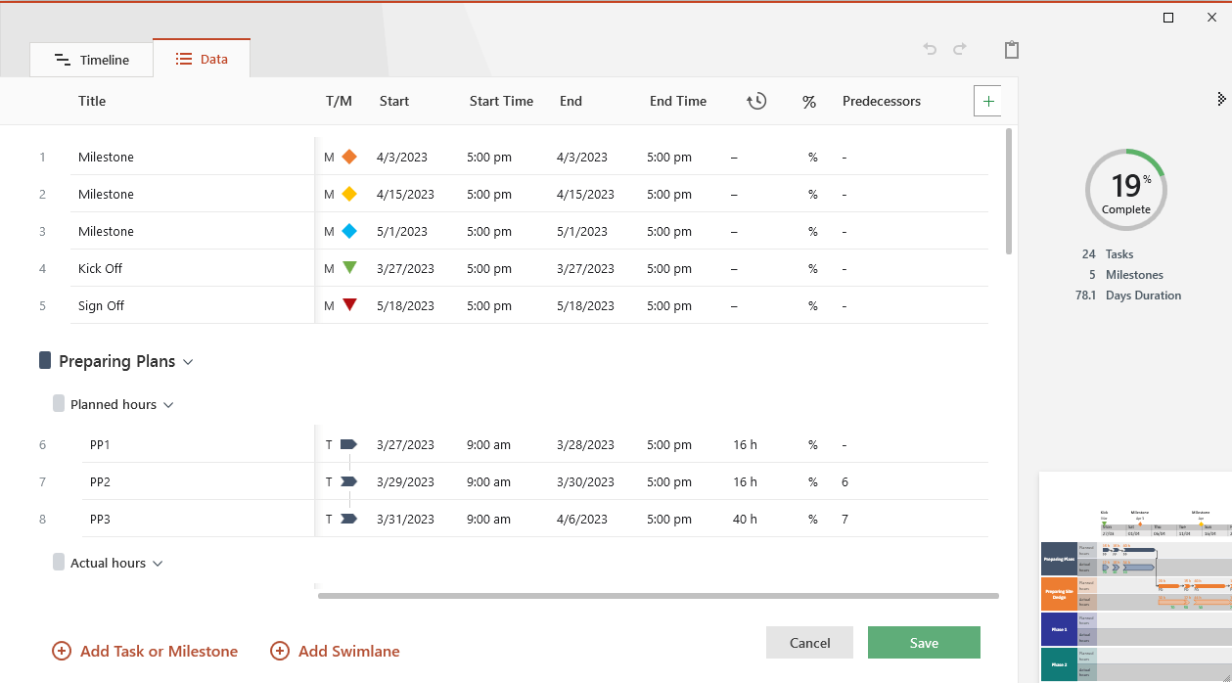

Project Schedule Instructions
Project Schedule Template - Guidance and Tips:
Replace the placeholder data inside Project Schedule table with your project's Tasks, Estimated Hours and Actual Hours. The template's functions will automatically calculate the remaining time for completing each task, as well as a total for each project phase.
The Gantt chart to the right of the Project Schedule table automatically displays and updates the tasks on the calendar taking into account the PROJECT START DATE and the number of Estimated Hours entered for each task.
To show a different time period on the timeline, you can change the number next to SCROLL TO WEEK # in the Project Schedule table.
Recoloring the task bars on the Gantt chart can be done with Conditional Formatting. Simply select any cell on the Gantt chart, click on the Conditional Formatting icon in the Home tab, and then select Manage Rules from the menu. You should see a single formula in the window that pops up - select it and then click on Edit Rule. This is where you will find the formatting options that impact the task bars' appearance, including Fill color.

Changing Task Colors

