EXCEL PROJECT STATUS REPORT
Project Status Report

 | Project Title: |  |  |  | Number:
 | Sponsor/Client: |  |  | Project Manager:

 | Progress Report |  |  |  | Report No.
 | POSITION |  | DATE
Kick Off | 15 | 10-May-22 | 1
Milestone 1 | 5 | 7-Jun-22 | 1
Milestone 2 | 10 | 21-Jul-22 | 1
Checkpoint A | -8 | 1-Aug-22 | 1
Milestone 3 | 5 | 20-Sep-22 | 1
Milestone 4 | 10 | 30-Oct-22 | 1
Checkpoint B | -8 | 20-Dec-22 | 1
Milestone 5 | 5 | 30-Jan-23 | 1
Milestone 6 | 15 | 10-Feb-23 | 1
Milestone 7 | 5 | 30-Mar-23 | 1
Checkpont C | -8 | 20-May-23 | 1
Sign Off | 15 | 30-May-23 | 1

 | Overall RAG Status*: RED / AMBER / GREEN

 | Headlines

 | Milestones, Tasks, Outcomes delivered this period |  |  |  | Completion dates
 | Milestones, Tasks, Outcomes |  | Comments |  | Planned | Actual

 | Major Risks and Issues (Include an assessment of their impact and any actions taken)

 | Recommendations and Requests for Decision or Support

 | Milestones, Tasks, Outcomes to deliver next period |  |  |  | Completion dates
 | Milestones, Tasks, Outcomes |  | Comments |  | Planned | Forecast

 | * RED | Major issue - needs escalation. Slippage exceeds 10% of the estimated project time scale or budget, or quality is severely compromised. Corrective actions haven't been taken or aren't effective. Unlikely to deliver on time, on budget, or according to the quality requirements.
 | AMBER | Minor issue - being actively handled within the team. Budget or time scale slippage is within 10% of the estimated values, or impact on quality is minor. Scope is still within tolerance.
 | GREEN | Project progressing according to plan. Low risk, no issues, no corrective actions needed.

Make beautiful timelines in PowerPoint for important meetings.
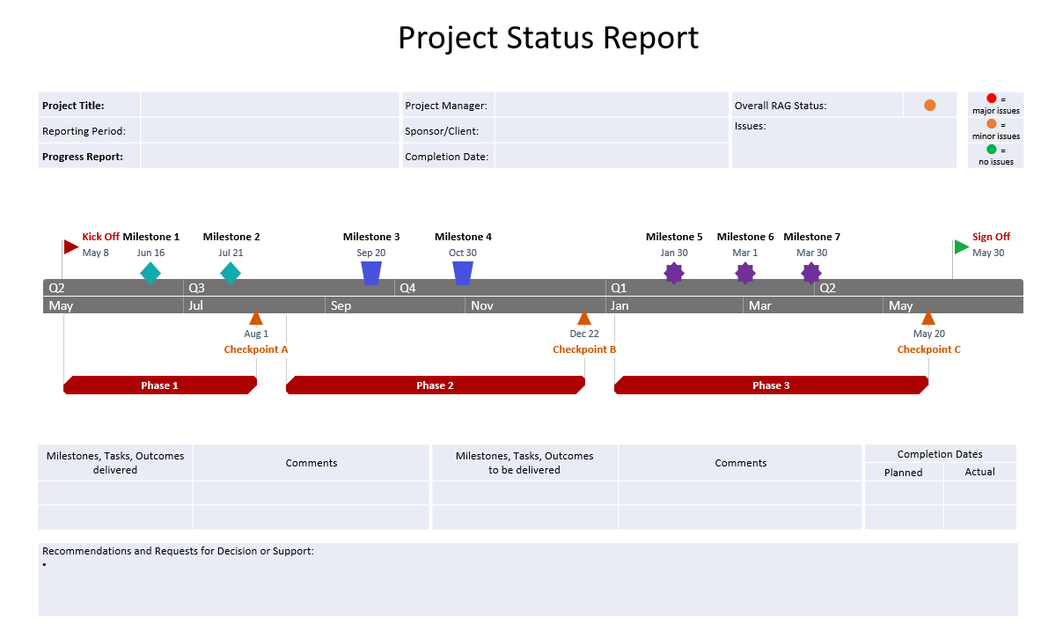
www.officetimeline.com

Instantly turn Excel data into PowerPoint slides with the Office Timeline add-in for PowerPoint.

3 Easy steps to instantly turn Excel data into a PowerPoint slide
1. Download the Free Office Timeline plug-in for PowerPoint - 14-day Trial Edition.
2. Open PowerPoint and click on NEW Timeline from the Office Timeline tab inside of PowerPoint.
Copy your Project Status Milestones and paste them into Office Timeline with the PASTE button.
3. Click the green SAVE button to instantly produce a PowerPoint timeline slide.

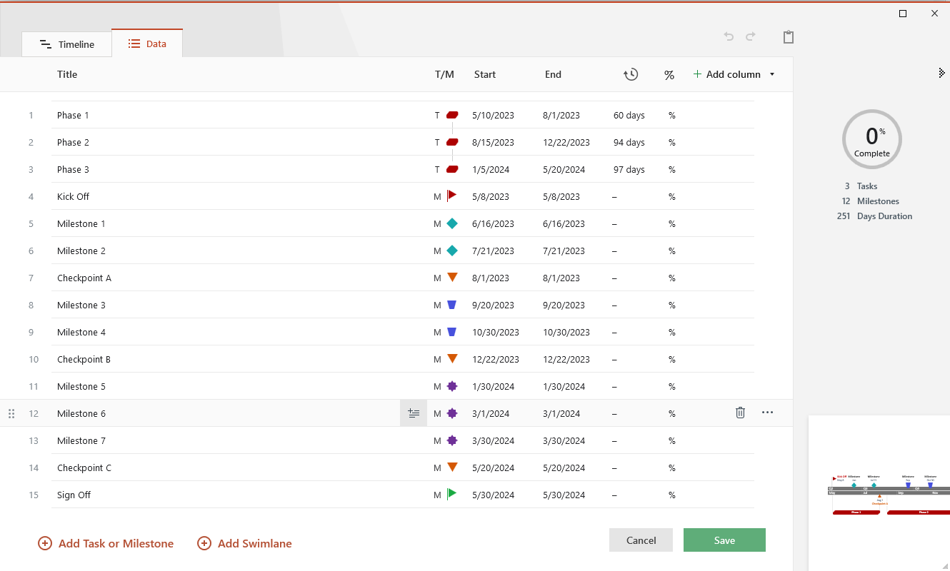

ENTER YOUR PROJECT MILESTONES
PROJECT DETAILS
DATE | MILESTONE | POSITION
10-May-22 | Kick Off | 15
7-Jun-22 | Milestone 1 | 5
21-Jul-22 | Milestone 2 | 10
1-Aug-22 | Checkpoint A | -8
20-Sep-22 | Milestone 3 | 5
30-Oct-22 | Milestone 4 | 10
20-Dec-22 | Checkpoint B | -8
30-Jan-23 | Milestone 5 | 5
10-Feb-23 | Milestone 6 | 15
30-Mar-23 | Milestone 7 | 5
20-May-23 | Checkpont C | -8
30-May-23 | Sign Off | 15
Project Status Report Template - Guidance and Tips:
Enter your project milestones and dates inside the Project Details table. Excel will instantly update the timeline graphic in the Project Status Report sheet.
We'd recommend arranging your milestone data chronologically in the table to ensure the graphic will be updated correctly - otherwise, errors may occur in generating the milestones on the status report timeline.
The Position values in the Project Details table are used to prevent the Milestone labels from overlapping each other on the Project Status Report timeline. Entering positive numbers will position the labels above the timeline, while negative numbers will display them below it.
To add more milestones on the graphic, either insert new rows inside the table or type the additional data below the last entry. The graphic will be automatically adjusted to accommodate your new entries.
To change a milestone's color on the graphic, first double-click the desired milestone marker to select it. Then right-click on it and go to Format Data Point -> Fill & Line -> Marker. Here you can choose a different color from the Border section.
You can also quickly recolor any of the connectors that link the milestone labels to their corresponding markers on the timeline. To do so, double-click on the connector line to select it and, from the Home tab on the ribbon, click on the Fill Color icon in the Font category.

