Excel Task Tracker Template
 | Excel Task Tracker |  |  |  |  |  |  |  | Task in Progress |  |  |  |  |  | Task Completed

 |  |  |  |  |  |  |  | 2019-06-07 |  |  |  |  | 2019-06-14 |  |  |  |  | 2019-06-21 |  |  |  |  | 2019-06-28 |  |  |  |  | 2019-07-05 |  |  |  |  | 2019-07-12
 | PROJECT START DATE | 3-Jun-19 |  | SCROLL TO WEEK # |  | 1

 | Sprint | Priority | Start | Finish | Duration | Status | % Complete | 2019-06-03 | 2019-06-04 | 2019-06-05 | 2019-06-06 | 2019-06-07 | 2019-06-10 | 2019-06-11 | 2019-06-12 | 2019-06-13 | 2019-06-14 | 2019-06-17 | 2019-06-18 | 2019-06-19 | 2019-06-20 | 2019-06-21 | 2019-06-24 | 2019-06-25 | 2019-06-26 | 2019-06-27 | 2019-06-28 | 2019-07-01 | 2019-07-02 | 2019-07-03 | 2019-07-04 | 2019-07-05 | 2019-07-08 | 2019-07-09 | 2019-07-10 | 2019-07-11 | 2019-07-12
 |  |  |  |  |  |  |  | M | T | W | T | F | M | T | W | T | F | M | T | W | T | F | M | T | W | T | F | M | T | W | T | F | M | T | W | T | F
 | Project Summary |  | 3-Jun-19 | 7-Oct-19 | 91 day(s) |  | 40%
 | Sprint 1 |  | 3-Jun-19 | 20-Jun-19 | 14 day(s)
 | Task 1 | Low | 3-Jun-19 | 7-Jun-19 | 5 day(s) | At Risk | 10%
 | Task 2 | Medium | 10-Jun-19 | 14-Jun-19 | 5 day(s) | Delays | 40%
 | Task 3 | Low | 17-Jun-19 | 20-Jun-19 | 4 day(s) | As Planned | 50%

 | Sprint 2 |  | 24-Jun-19 | 15-Jul-19 | 16 day(s)
 | Task 1 | High | 24-Jun-19 | 27-Jun-19 | 4 day(s) | At Risk | 10%
 | Task 2 | Medium | 1-Jul-19 | 4-Jul-19 | 4 day(s) | Delays | 50%
 | Task 3 | Medium | 4-Jul-19 | 15-Jul-19 | 8 day(s) | As Planned | 80%

 | Sprint 3 |  | 20-Jul-19 | 28-Aug-19 | 28 day(s)
 | Sprint 4 |  | 1-Sep-19 | 7-Oct-19 | 26 day(s)

Instantly turn Excel data into PowerPoint slides with the Office Timeline add-in for PowerPoint. |  |  |  |  |  |  |  | Make beautiful timelines in PowerPoint for important meetings.
 |  |  |  |  |  |  |  | www.officetimeline.com
3 Easy steps to instantly turn Excel data into a PowerPoint slide
1. Download the Free Office Timeline plug-in for PowerPoint - 14-day Trial Edition.
2. Open PowerPoint and click on NEW Timeline from the Office Timeline tab inside of PowerPoint.
Copy your Excel Task Tracker table and paste it into Office Timeline with the PASTE button.
3. Click the green SAVE button to instantly generate your Task Tracker slide in PowerPoint.

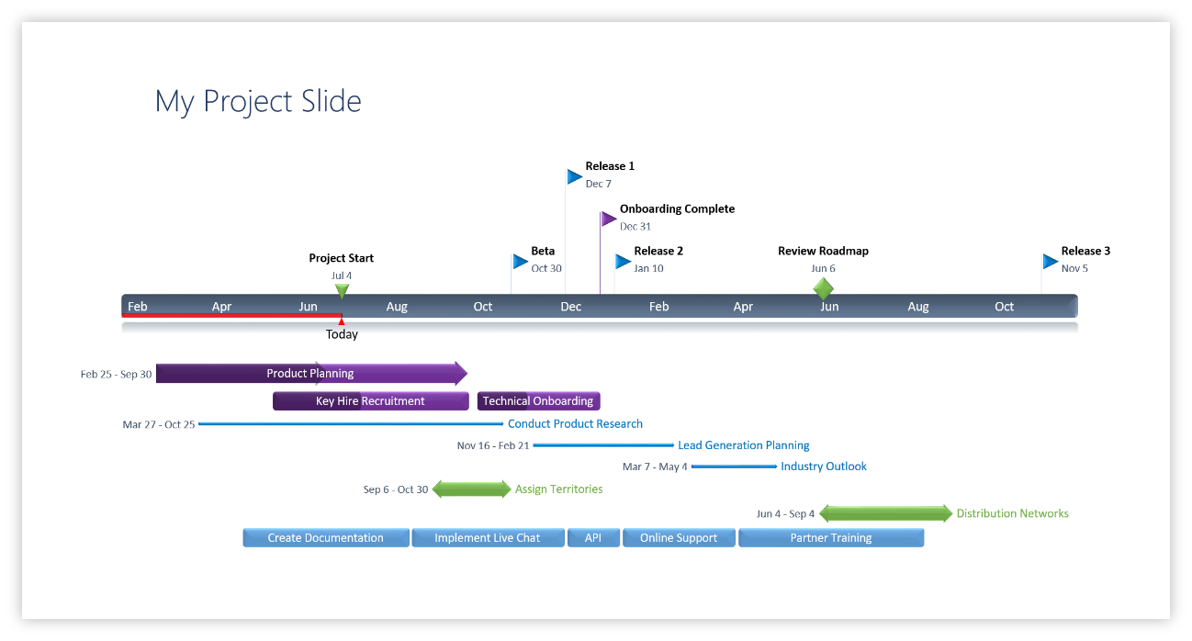

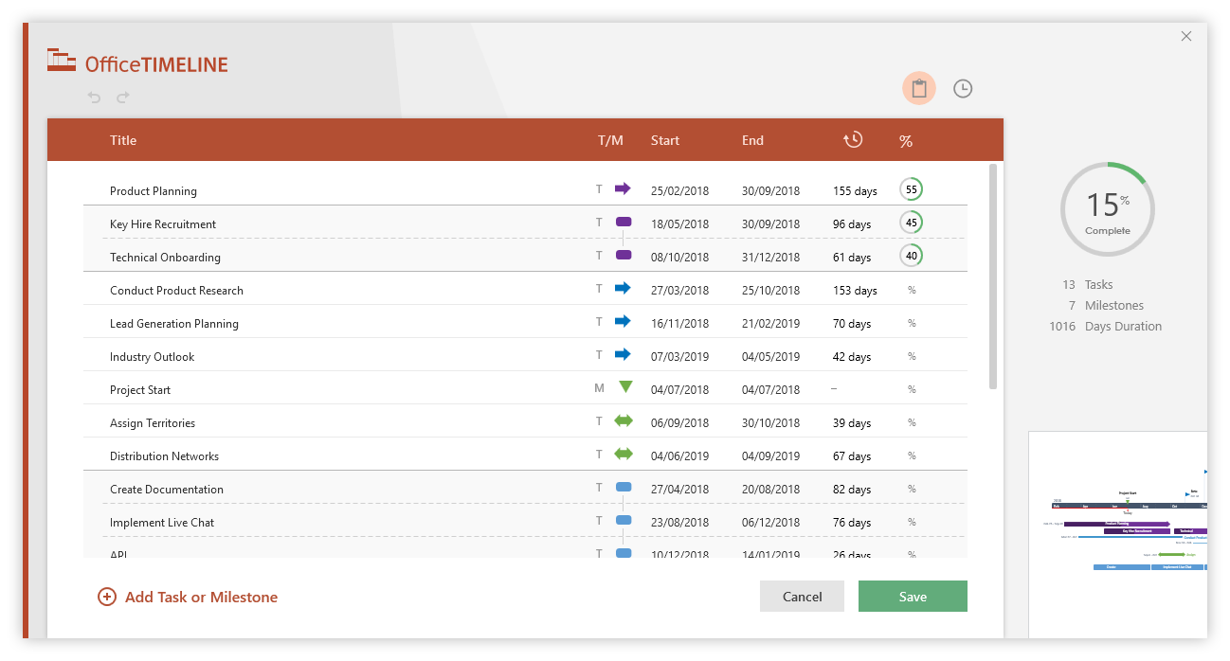

Task Tracker Instructions
Excel Task Tracker Template - Guidance and Tips:
Type your own task names and dates for each Sprint inside the table on the Excel Task Tracker sheet. The template's formulas will automatically calculate the duration of each task and estimate the length of each sprint.
The Gantt chart to the right of the Sprint Project tracker will auto-update whenever you change your tasks' dates or Percentage Complete, or when youadd more tasks to the table.
To display a different time period on the Gantt chart, change the numer next to SCROLL TO WEEK in the table.
To enter additional tasks, simply insert new rows within the table and type in your data.
The Excel Task Tracker Template enables users to add extra Sprints as well, complete with the functions that automate calculations and Gantt chart updates. To do so, select and copy all rows correspoding to an existing Sprint section, right-click on the row where you want to include your new section, and then select Insert Copied Cells from the small menu that pops ups. Then, just replace the copied data with new information.
The Excel Task Tracker also lets you change the colors on the Gantt chart task bars. This can be done by using Conditional Formatting. Select all cells corresponding to the Gantt chart, click the Conditional Formatting button on the Home tab, and then select Manage Rules. Here, choose the formula you wish to customize (Blue for Completed Tasks, Orange for Tasks in Progress), and then click on Edit Rule. This is where you'll find all customization options for the task bar formulas, including the option to change the Orange or Blue Fill color.

Changing Task Colors

