Excel Budget Template
 | Excel Budget Template

 |  |  |  |  |  |  |  |  |  | 2023-06-09 |  |  |  |  | 2023-06-16 |  |  |  |  | 2023-06-23 |  |  |  |  | 2023-06-30 |  |  |  |  | 2023-07-07
 | PROJECT START DATE |  | 5-Jun-2023 |  | SCROLL TO WEEK # |  | 1

 | Task | Planned Start Date | Planned End Date | Work Budget | Materials Budget | Total Budget | Work Actual | Materials Actual | Actual Budget | 2023-06-05 | 2023-06-06 | 2023-06-07 | 2023-06-08 | 2023-06-09 | 2023-06-12 | 2023-06-13 | 2023-06-14 | 2023-06-15 | 2023-06-16 | 2023-06-19 | 2023-06-20 | 2023-06-21 | 2023-06-22 | 2023-06-23 | 2023-06-26 | 2023-06-27 | 2023-06-28 | 2023-06-29 | 2023-06-30 | 2023-07-03 | 2023-07-04 | 2023-07-05 | 2023-07-06 | 2023-07-07
 |  |  |  | Budget |  |  | Actual |  |  | M | T | W | T | F | M | T | W | T | F | M | T | W | T | F | M | T | W | T | F | M | T | W | T | F
 | Project Summary | 1-Jun-23 | 16-Jul-23 | $237,829 | $477 | $238,306 | $797,949 | $77,018 | $874,967
 | Project 1 | 5-Jun-23 | 17-Jun-23 | $31,245 | $113 | $31,358 | $5,233 | $702 | $5,935
 | Task 1 | 5-Jun-23 | 9-Jun-23 | $23,245 | $45 | $23,290 | $4,543 | $234 | $4,777
 | Task 2 | 10-Jun-23 | 16-Jun-23 | $4,567 | $34 | $4,601 | $345 | $234 | $579
 | Task 3 | 15-Jun-23 | 17-Jun-23 | $3,433 | $34 | $3,467 | $345 | $234 | $579

 | Project 2 | 1-Jun-23 | 29-Jun-23 | $73,111 | $153 | $73,264 | $57,924 | $591 | $58,515
 | Task 1 | 1-Jun-23 | 2-Jun-23 | $23,323 | $34 | $23,357 | $456 | $234 | $690
 | Task 2 | 3-Jun-23 | 15-Jun-23 | $4,343 | $54 | $4,397 | $57,234 | $234 | $57,468
 | Task 3 | 18-Jun-23 | 29-Jun-23 | $45,445 | $65 | $45,510 | $234 | $123 | $357

 | Project 3 | 10-Jun-23 | 16-Jul-23 | $24,010 | $57 | $24,067 | $702 | $1,145 | $1,847
 | Task 1 | 10-Jun-23 | 20-Jun-23 | $23,232 | $32 | $23,264 | $234 | $345 | $579
 | Task 2 | 15-Jun-23 | 25-Jun-23 | $434 | $3 | $437 | $234 | $455 | $689
 | Task 3 | 22-Jun-23 | 16-Jul-23 | $344 | $22 | $366 | $234 | $345 | $579

 | Project 4 | 20-Jun-23 | 29-Jun-23 | $109,463 | $154 | $109,617 | $734,090 | $74,580 | $808,670
 | Task 1 | 20-Jun-23 | 24-Jun-23 | $43,443 | $33 | $43,476 | $9,778 | $678 | $10,456
 | Task 2 | 22-Jun-23 | 29-Jun-23 | $65,464 | $55 | $65,519 | $678,678 | $6,446 | $685,124
 | Task 3 | 26-Jun-23 | 29-Jun-23 | $556 | $66 | $622 | $45,634 | $67,456 | $113,090

Instantly turn Excel data into PowerPoint slides with the Office Timeline add-in for PowerPoint. |  |  |  |  |  |  |  |  |  | Make beautiful timelines in PowerPoint for important meetings.
3 Easy steps to instantly turn Excel data into a PowerPoint slide
1. Download thes Free Office Timeline plug-in - 14-day Trial Edition.
2. Open PowerPoint and click on NEW Timeline from the Office Timeline tab inside of PowerPoint.
Copy your Excel table and paste it into Office Timeline with the PASTE button.
3. Click the green SAVE button to instantly produce a PowerPoint Gantt chart slide.
www.officetimeline.com

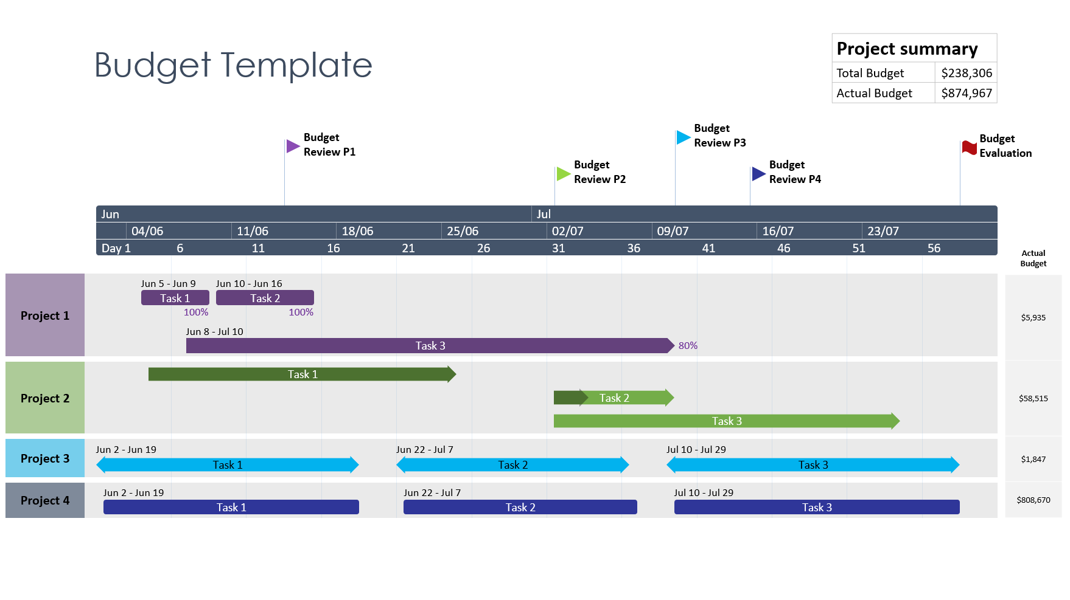 |  |  |  |  |  |  |  |  |  | 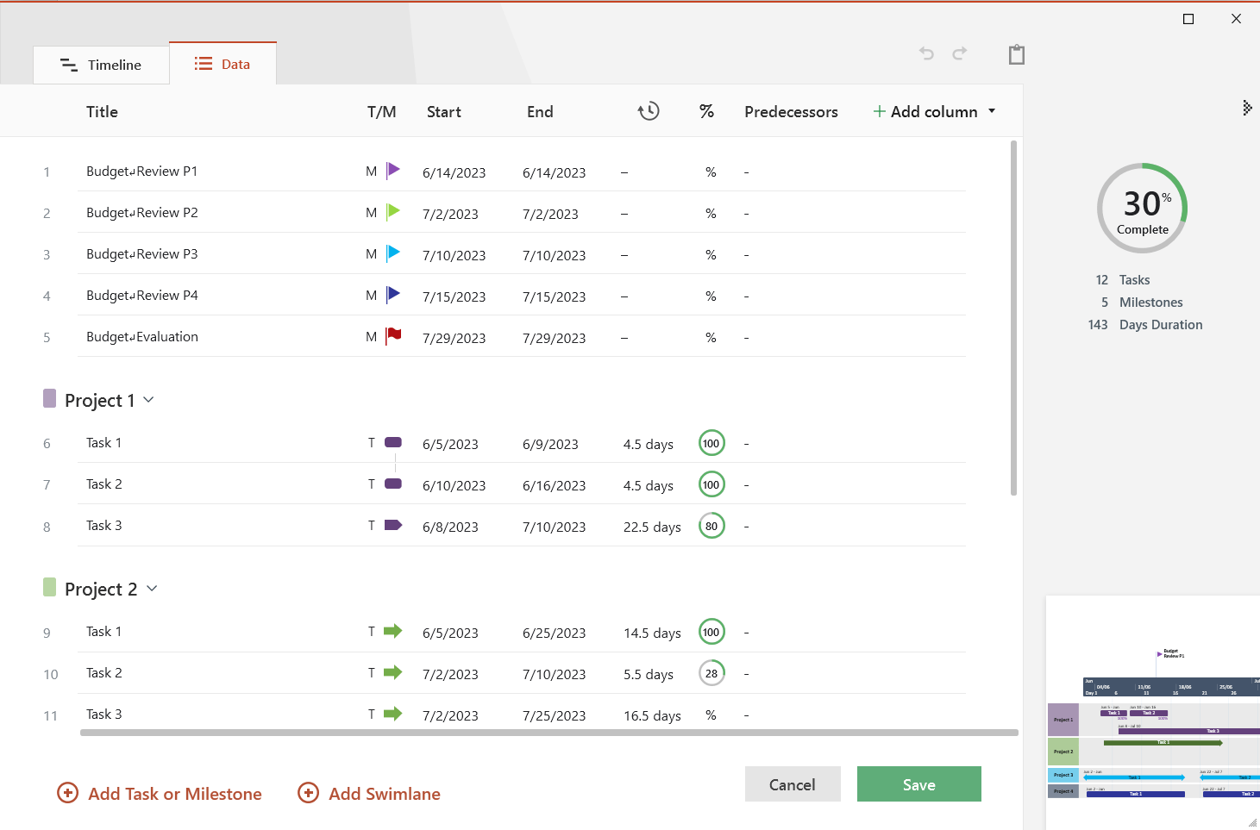

Budget Template Instructions
Excel Budget Template - Guidance and Tips:
Enter your project's data inside the white-colored cells of the table on the left of the Excel Budget sheet. The template's functions will automatically calculate the total budget (actual AND planned) for the project, as well as partial sums for each sub-project or category of costs.
The Gantt chart on the right of the Excel budget sheet will auto-update as you change your tasks' dates or enter more items in the table. To show a different time period on the graphic, change the number next to SCROLL TO WEEK in the table.
To add extra tasks, simply insert new rows within the table and type in your data.
The Excel Budget template lets you quickly add extra sub-projects, complete with their summary sections and automatic calculations. To do so, select and copy all rows corresponding to an existing sub-project, right-click on the row where you want your new section to go, and then select Insert Copied Cells from the pop-up. Then, just enter your new data in the copied rows.
If you wish to recolor the task bars on the Gantt chart, you can do so using Conditional Formatting. Use Shift+Click to select all cells corresponding to the Gantt chart, click on the Conditional Formatting icon on the Home tab, and then select Manage Rules. Select the formula with the orange Format, click on Edit Rule, and this is where you will find all customization options for the task bars, including Fill color.

Changing Task Colors

