Project Management Task List
Project Management Task List
 |  |  |  |  |  | Planned Dates |  | Planned Duration |  | Actual Dates |  | Actual Duration
Task | Task Description | Status | Category | Assigned To | % Complete | Start | Finish | Hours | Days | Start | Finish | Hours | Days
1 | Enter Task Here | Status 1 | Category 1 | Employee 1 | 100% | 2019-01-01 | 2019-02-01 | 240 | 30 | 2019-01-10 | 2019-02-25 | 360 | 45
2 | Enter Task Here | Status 2 | Category 2 | Employee 2 | 100% | 2019-01-15 | 2019-03-21 | 528 | 66 | 2019-02-01 | 2019-02-26 | 200 | 25
3 | Enter Task Here | Status 3 | Category 3 | Employee 3 | 100% | 2019-02-01 | 2019-04-11 | 560 | 70 | 2019-02-01 | 2019-02-27 | 208 | 26
4 | Enter Task Here | Status 4 | Category 4 | Employee 4 | 100% | 2019-03-10 | 2019-04-19 | 312 | 39 | 2019-04-10 | 2019-05-28 | 384 | 48
5 | Enter Task Here | Status 5 | Category 5 | Employee 5 | 100% | 2019-04-20 | 2019-05-15 | 200 | 25 | 2019-04-25 | 2019-06-01 | 288 | 36
6 | Enter Task Here | Status 6 | Category 6 | Employee 6 | 65% | 2019-05-15 | 2019-06-25 | 320 | 40 | 2019-06-01 | 2019-07-20 | 392 | 49
7 | Enter Task Here | Status 7 | Category 7 | Employee 7 | 45% | 2019-06-10 | 2019-06-21 | 88 | 11
8 | Enter Task Here | Status 4 | Category 6 | Employee 2 | 50% | 2019-06-25 | 2019-07-31 | 288 | 36
9 | Enter Task Here | Status 6 | Category 1 | Employee 4 | 45% | 2019-07-05 | 2019-08-01 | 208 | 26
10 | Enter Task Here | Status 3 | Category 5 | Employee 1 | 30% | 2019-08-10 | 2019-09-21 | 328 | 41

Make beautiful Gantt charts in PowerPoint for important meetings. |  |  |  |  |  | Instantly turn Excel data into PowerPoint slides with the Office Timeline add-in for PowerPoint.

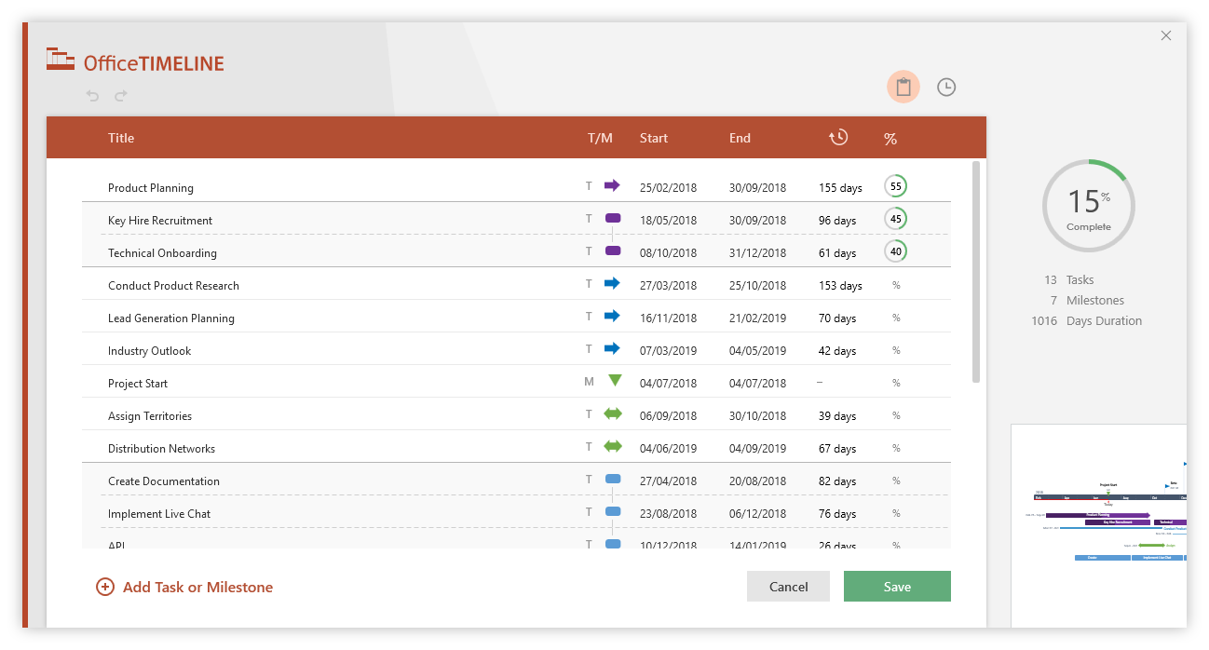
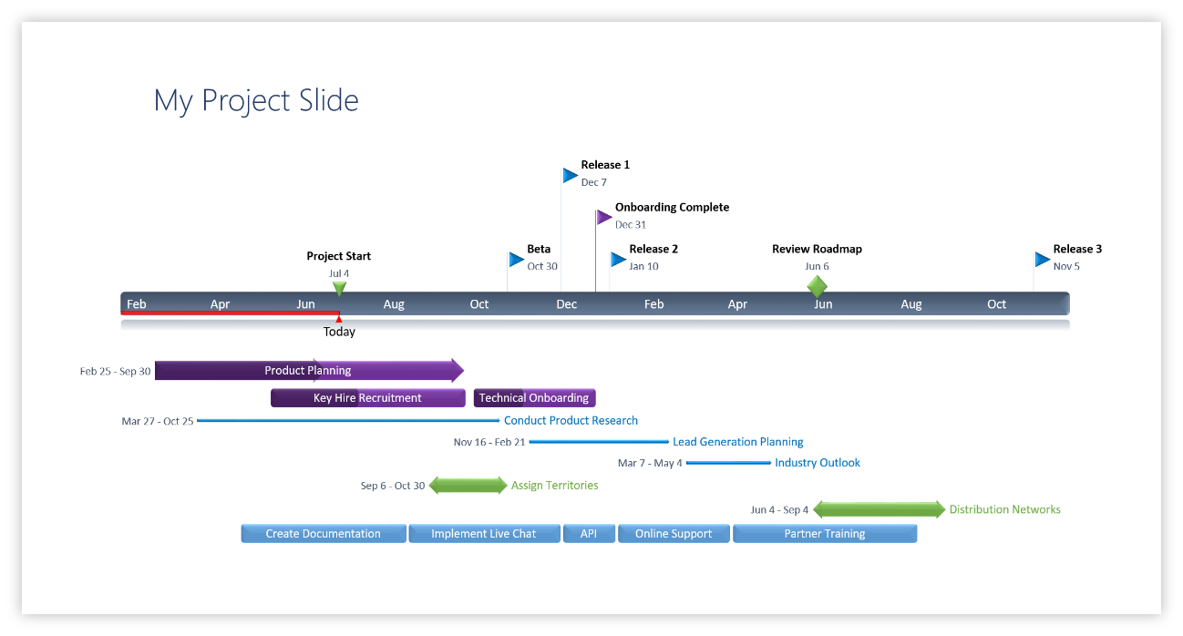

3 Easy steps to instantly turn Excel task lists into a PowerPoint slide
1. Download the Free Office Timeline plug-in for PowerPoint - 14-day Trial Edition.
2. Open PowerPoint and click on NEW from the Office Timeline tab inside of PowerPoint.
Copy your task data from Excel and paste it into Office Timeline with the PASTE button.
3. Click the green SAVE button to instantly produce your visual Project Task slide.

