Task Management Spreadsheet
Task Management Spreadsheet

 |  |  |  |  |  |  |  |  |  | 2019-03-29 |  |  |  |  | 2019-04-05 |  |  |  |  | 2019-04-12 |  |  |  |  | 2019-04-19 |  |  |  |  | 2019-04-26 |  |  |  |  | 2019-05-03 |  |  |  |  | 2019-05-10
PROJECT START DATE | 26-Mar-2019 |  | SCROLL TO WEEK # |  |  |  |  |  | 1

Task | Estimated Hours | Actual Hours | Hours Remaining | % Hours Used | Days | Start Date | End Date | % Complete |  | 2019-03-25 | 2019-03-26 | 2019-03-27 | 2019-03-28 | 2019-03-29 | 2019-04-01 | 2019-04-02 | 2019-04-03 | 2019-04-04 | 2019-04-05 | 2019-04-08 | 2019-04-09 | 2019-04-10 | 2019-04-11 | 2019-04-12 | 2019-04-15 | 2019-04-16 | 2019-04-17 | 2019-04-18 | 2019-04-19 | 2019-04-22 | 2019-04-23 | 2019-04-24 | 2019-04-25 | 2019-04-26 | 2019-04-29 | 2019-04-30 | 2019-05-01 | 2019-05-02 | 2019-05-03 | 2019-05-06 | 2019-05-07 | 2019-05-08 | 2019-05-09 | 2019-05-10
 |  |  |  |  |  |  |  |  |  | M | T | W | T | F | M | T | W | T | F | M | T | W | T | F | M | T | W | T | F | M | T | W | T | F | M | T | W | T | F | M | T | W | T | F
Remodel Project | 246 hrs | 236 hrs | 8 hrs
Preparing Plans | 27 hrs | 16 hrs | 11 hrs | 59%
Design Review | 5 hrs | 6 hrs | -1 hrs | 120% | 1 | 26-Mar-19 | 26-Mar-19 | 70%
Validation Procedures | 10 hrs | 5 hrs | 5 hrs | 50% | 2 | 27-Mar-19 | 28-Mar-19 | 40%
Design Complete | 12 hrs | 5 hrs | 7 hrs | 42% | 2 | 29-Mar-19 | 1-Apr-19 | 5%
Preparing Site Design | 91 hrs | 81 hrs | 10 hrs | 89%
Create Staffing Plan | 20 hrs | 30 hrs | -10 hrs | 150% | 3 | 2-Apr-19 | 4-Apr-19 | 70%
Plan Resources | 15 hrs | 10 hrs | 5 hrs | 67% | 2 | 5-Apr-19 | 8-Apr-19 | 50%
Implementation Team | 40 hrs | 36 hrs | 4 hrs | 90% | 5 | 9-Apr-19 | 15-Apr-19 | 30%
Readiness Reviews | 16 hrs | 5 hrs | 11 hrs | 31% | 2 | 16-Apr-19 | 17-Apr-19 | 20%
Phase 1 | 100 hrs | 100 hrs |  | 100%
Task 1 | 40 hrs | 40 hrs | 0 hrs | 100% | 5 | 18-Apr-19 | 24-Apr-19 | 10%
Task 2 | 20 hrs | 20 hrs | 0 hrs | 100% | 3 | 25-Apr-19 | 29-Apr-19 | 7%
Task 3 | 40 hrs | 40 hrs | 0 hrs | 100% | 5 | 30-Apr-19 | 6-May-19 | 5%
Phase 2 | 28 hrs | 39 hrs | -13 hrs | 139%

3 Easy steps to instantly turn task data from Excel into a PowerPoint slide
1. Download the Free Office Timeline plug-in for PowerPoint - 14-day Trial Edition.
2. Open PowerPoint and click on NEW Timeline from the Office Timeline tab inside of PowerPoint.
Copy your task table from Excel and paste it into Office Timeline with the PASTE button.
3. Click the green SAVE button to instantly produce your Task Management slide.
Make beautiful Gantt charts in PowerPoint for important meetings. |  |  |  |  |  |  |  |  |  |  | Instantly turn Excel data into PowerPoint slides with the Office Timeline add-in for PowerPoint.
 |  |  |  |  |  |  |  |  |  |  | www.officetimeline.com

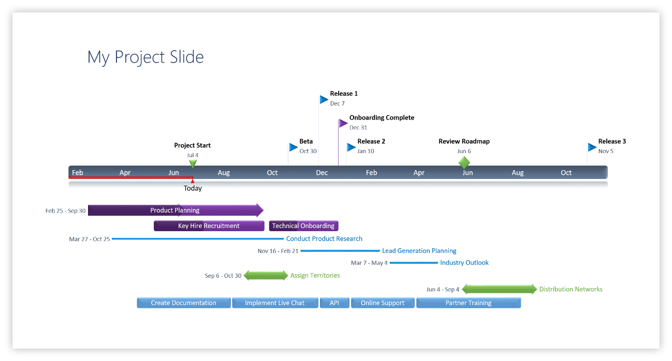

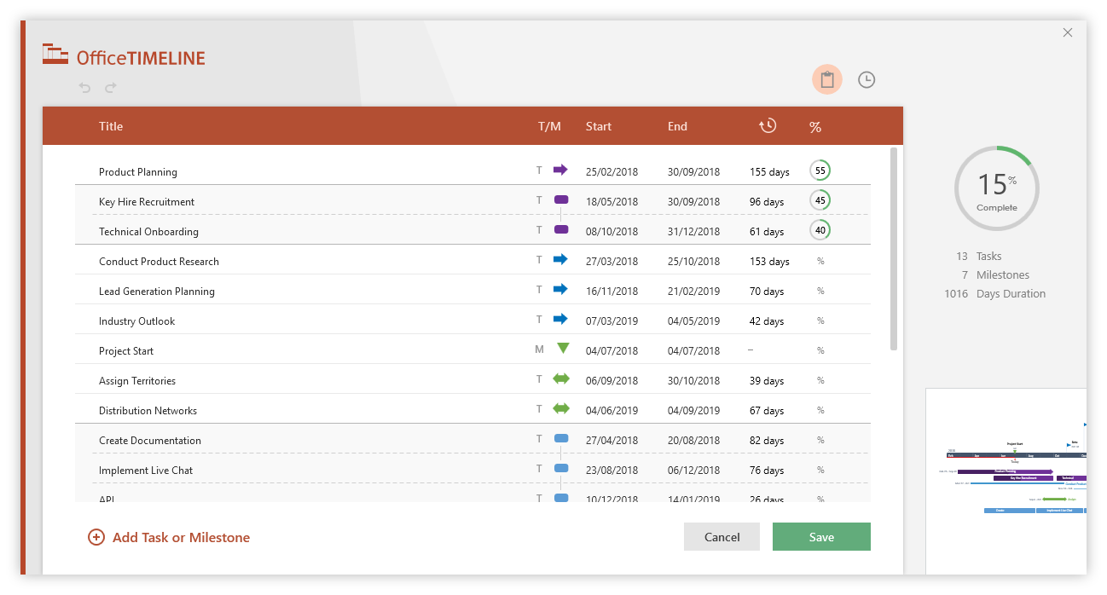

Task Spreadsheet Instructions
Task Management Spreadsheet - Guidance and Tips:
Replace the placeholder data inside the Task Management Spreadsheet with your project's Tasks, Estimated Hours and Actual Hours. The template's functions will automatically calculate the remaining time for completing each task, as well as a total for each project phase. The tasks' Start and End dates are calculated automatically too, based on the Project's Start date and the Estimated Hours entered for each task.
The Gantt chart to the right of the Project Schedule table automatically displays and updates the tasks on the calendar taking into account the PROJECT START DATE and the number of Estimated Hours entered for each task.
To show a different time period on the Gantt chart, you can edit the number next to SCROLL TO WEEK # in the Task Management table.
Recoloring the task bars on the Gantt chart can be done with Conditional Formatting. Simply select any cell on the Gantt chart, click on the Conditional Formatting icon in the Home tab, and then select Manage Rules from the menu. You should see a formula in the window that pops up - select it and then click on Edit Rule. This is where you will find the formatting options that for the task bars, including Fill color.

Changing Task Colors on the Task Management Spreadsheet

