Project Tracker
Project Tracker
 |  |  |  |  |  | Planned Dates |  | Planned Duration |  | Actual Dates |  | Actual Duration
Task | Status | Category | Assigned To | Task Description | % Complete | Start | Finish | Hours | Days | Start | Finish | Hours | Days
1 | Status 1 | Category 1 | Employee 1 | Enter Task Here | 100% | 2016-01-01 | 2016-02-01 | 240 | 30 | 2016-02-10 | 2016-02-25 | 120 | 15
2 | Status 2 | Category 2 | Employee 2 |  | 100% | 2016-01-15 | 2016-03-21 | 528 | 66 | 2016-02-01 | 2016-02-26 | 200 | 25
3 | Status 3 | Category 3 | Employee 3 |  | 100% | 2016-02-01 | 2016-04-11 | 560 | 70 | 2016-02-01 | 2016-02-27 | 208 | 26
4 | Status 4 | Category 4 | Employee 4 |  | 100% | 2016-03-10 | 2016-04-19 | 312 | 39 | 2013-04-10 | 2013-05-28 | 384 | 48
5 | Status 5 | Category 5 | Employee 5 |  | 100% | 2016-04-20 | 2016-05-15 | 200 | 25 | 2016-04-25 | 2016-06-01 | 288 | 36
6 | Status 6 | Category 6 | Employee 6 |  | 65% | 2016-05-15 | 2016-06-25 | 320 | 40
7 | Status 7 | Category 7 | Employee 7 |  | 45% | 2016-06-10 | 2016-06-21 | 88 | 11
8 | Status 4 | Category 6 | Employee 2 |  | 50% | 2016-06-25 | 2016-07-31 | 288 | 36
9 | Status 6 | Category 1 | Employee 4 |  | 45% | 2016-07-05 | 2016-08-01 | 208 | 26
10 | Status 3 | Category 5 | Employee 1 |  | 30% | 2016-08-10 | 2016-09-21 | 328 | 41

Make impressive PowerPoint Gantt charts for important meetings. |  |  |  |  |  |  |  |  | Download #1 Free Gantt chart maker for PowerPoint

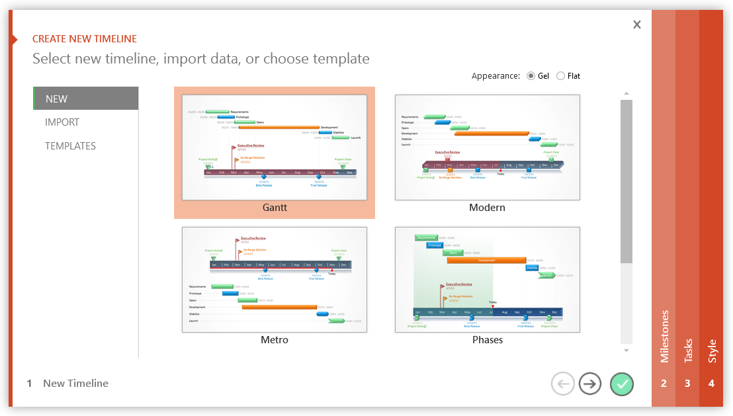

3 Easy steps to instantly turn Excel data into a PowerPoint slide
1. Download Office Timeline Plus Edition for PowerPoint.
2. Open PowerPoint and click on NEW Timeline from the Office Timeline tab inside of PowerPoint. Copy your Excel table paste it into Office Timeline Plus.
3. Click the green check mark to instantly produce you timeline slide.

