IT Roadmap
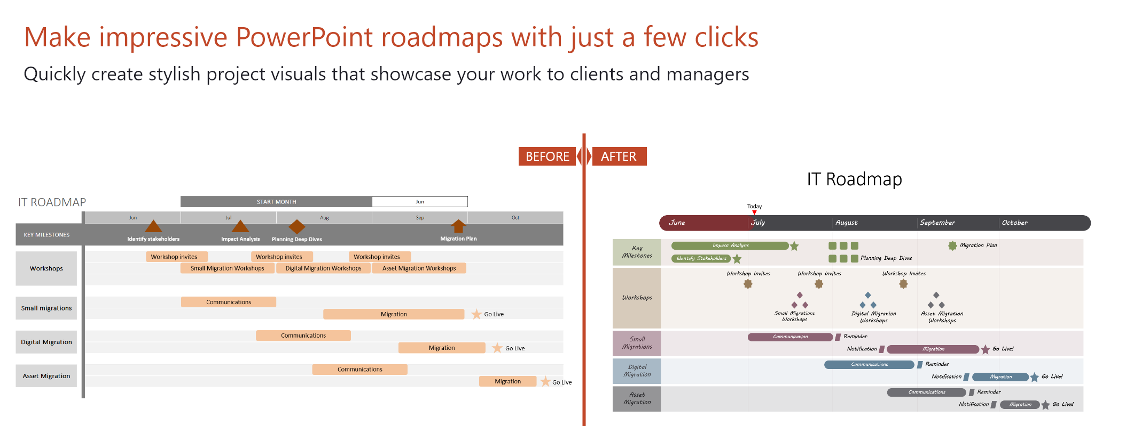
How to customize this roadmap Excel template:
1. To change the start month, click in the cell and change the date. Note that the date format is DD/MM/YYYY
2. To add a new milestone, just copy and paste an existing one. Change the shape (Format - Edit shape) or the colour (Format - Shape Fill). Place the milestone on the timeband where you need it.
3. Do the same for new project tasks. Drag them by the edges to make them longer or shorter.
4. To add a new swimlane, insert new rows and then copy and paste an existing swimlane. Change the color (select cell - right click - Format Cells - Fill).
5. To delete a swimlane, select the respective rows and delete them.
6. Once you get the hang of this template, select and delete these instructions. Good luck with your roadmap!
IT ROADMAP |  | START MONTH |  | 2019-06-01

Identify stakeholders
Planning Deep Dives
Impact Analysis
Migration Plan
 | 2019-06-01 | 2019-07-01 | 2019-08-01 | 2019-09-01 | 2019-10-01
KEY MILESTONES

Workshop invites
Small Migration Workshops
Workshop invites
Workshop invites
Workshops
Digital Migration Workshops
Asset Migration Workshops

Communications
Small migrations
Migration
Go Live
Communications
Go Live
Digital Migration
Migration
Communications
Migration
Go Live
Asset Migration

