Project Roadmap
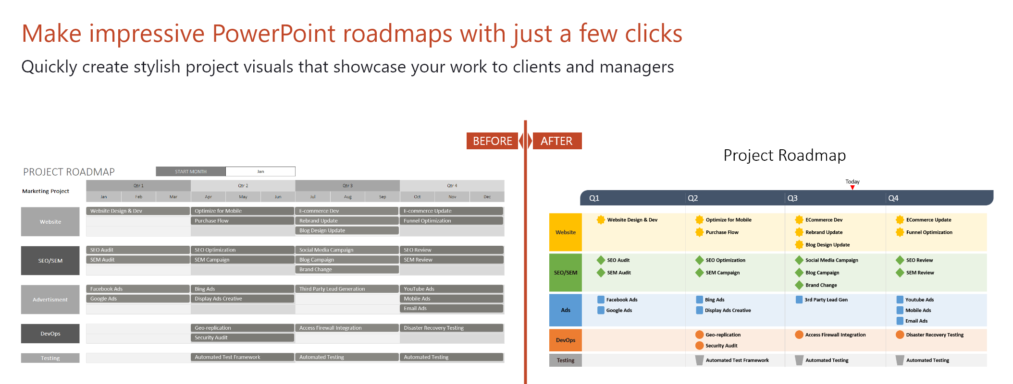
How to customize this roadmap Excel template:
1. To change the start month, click in the cell and change the date. Note that the date format is DD/MM/YYYY
2. To add a new task, just copy and paste an existing one. Change the shape (Format - Edit shape) or the colour (Format - Shape Fill). Place the task on the roadmap where you need it.
4. To add a new swimlane, insert new rows and then copy and paste an existing swimlane. Change the color (select cell - right click - Format Cells - Fill).
5. To delete a swimlane, select the respective rows and delete them.
6. Once you get the hang of this template, select and delete these instructions. Good luck with your roadmap!
PROJECT ROADMAP |  |  | START MONTH |  | 2019-01-01

Marketing Project | Qtr 1 |  |  | Qtr 2 |  |  | Qtr 3 |  |  | Qtr 4
 | 2019-01-01 | 2019-02-01 | 2019-03-01 | 2019-04-01 | 2019-05-01 | 2019-06-01 | 2019-07-01 | 2019-08-01 | 2019-09-01 | 2019-10-01 | 2019-11-01 | 2019-12-01
Optimize for Mobile
Website Design & Dev
Purchase Flow
E-commerce Dev
Rebrand Update
E-commerce Update
Website
Funnel Optimization
Blog Design Update
SEO Audit
Social Media Campaign
SEO Review
SEM Campaign
SEO Optimization
Blog Campaign
SEM Review
SEO/SEM
SEM Audit
Brand Change

Facebook Ads
Bing Ads
Third Party Lead Generation
YouTube Ads
Advertisment
Google Ads
Display Ads Creative
Mobile Ads
Email Ads

Geo-replication
Access Firewall Integration
Disaster Recovery Testing
DevOps
Security Audit

Automated Test Framework
Automated Testing
Automated Testing
Testing

