Strategy Roadmap
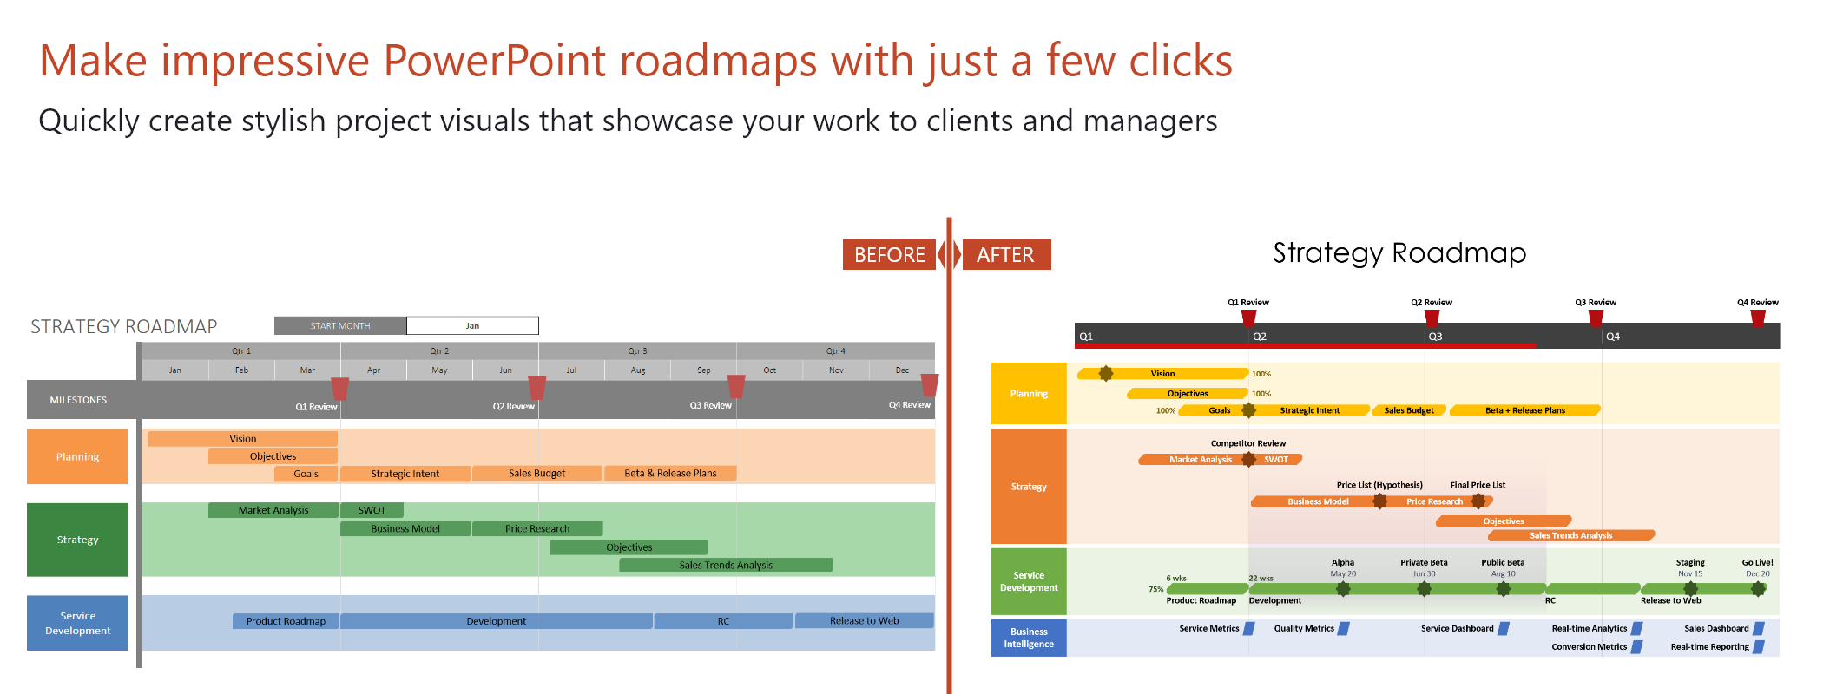
How to customize this roadmap Excel template:
1. To change the start month, click in the cell and change the date. Note that the date format is DD/MM/YYYY
2. To add a new milestone, just copy and paste an existing one. Change the shape (Format - Edit shape) or the colour (Format - Shape Fill). Place the milestone on the timeband where you need it.
3. Do the same for new project tasks. Drag them by the edges to make them longer or shorter.
4. To add a new swimlane, insert new rows and then copy and paste an existing swimlane. Change the color (select cell - right click - Format Cells - Fill).
5. To delete a swimlane, select the respective rows and delete them.
6. Once you get the hang of this template, select and delete these instructions. Good luck with your roadmap!
STRATEGY ROADMAP |  |  | START MONTH |  | 2019-01-01

Q1 Review
Q2 Review
Q3 Review
Q4 Review
 | Qtr 1 |  |  | Qtr 2 |  |  | Qtr 3 |  |  | Qtr 4
 | 2019-01-01 | 2019-02-01 | 2019-03-01 | 2019-04-01 | 2019-05-01 | 2019-06-01 | 2019-07-01 | 2019-08-01 | 2019-09-01 | 2019-10-01 | 2019-11-01 | 2019-12-01
MILESTONES

Vision
Planning
Objectives
Sales Budget
Beta & Release Plans
Goals
Strategic Intent

Market Analysis
SWOT
Strategy
Business Model
Price Research
Objectives
Sales Trends Analysis

Development
RC
Release to Web
Service Development
Product Roadmap

