Excel Sprint Project Tracker
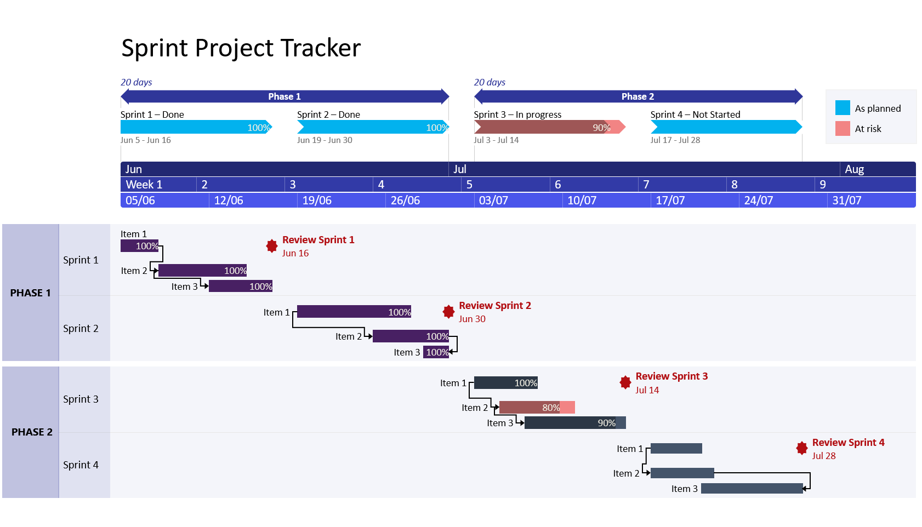
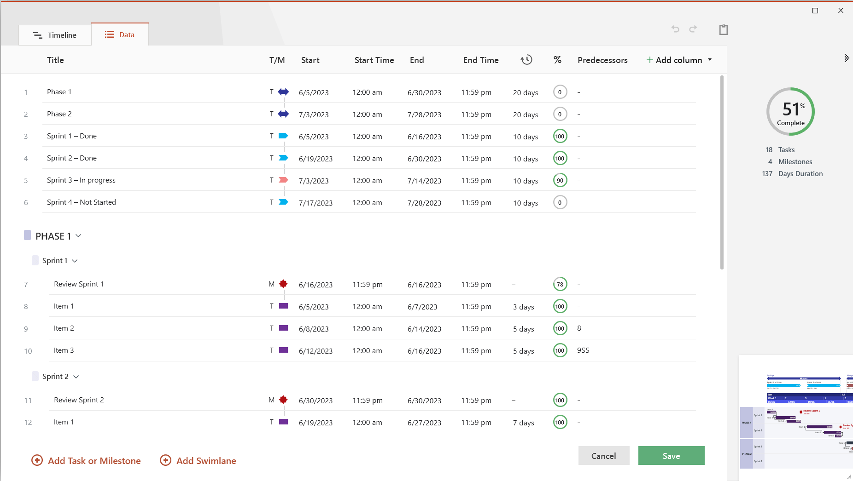
 | Sprint Project Tracker |  |  |  |  |  |  |  |  | Task in Progress |  |  |  |  |  | Task Completed
 |  |  |  |  |  | Today's Date: | 2023-07-11
 |  |  |  |  |  |  |  | 2023-06-16 |  |  |  |  | 2023-06-23 |  |  |  |  | 2023-06-30 |  |  |  |  | 2023-07-07 |  |  |  |  | 2023-07-14 |  |  |  |  | 2023-07-21
 | PROJECT START DATE | 5-Jun-23 |  | SCROLL TO WEEK # |  | 2

 | Sprint | Priority | Start | Finish | Duration | Status | % Complete | 2023-06-12 | 2023-06-13 | 2023-06-14 | 2023-06-15 | 2023-06-16 | 2023-06-19 | 2023-06-20 | 2023-06-21 | 2023-06-22 | 2023-06-23 | 2023-06-26 | 2023-06-27 | 2023-06-28 | 2023-06-29 | 2023-06-30 | 2023-07-03 | 2023-07-04 | 2023-07-05 | 2023-07-06 | 2023-07-07 | 2023-07-10 | 2023-07-11 | 2023-07-12 | 2023-07-13 | 2023-07-14 | 2023-07-17 | 2023-07-18 | 2023-07-19 | 2023-07-20 | 2023-07-21
 |  |  |  |  |  |  |  | M | T | W | T | F | M | T | W | T | F | M | T | W | T | F | M | T | W | T | F | M | T | W | T | F | M | T | W | T | F
 | Project Summary |  | 5-Jun-23 | 28-Jul-23 | 40 day(s) |  | 69%
 | Sprint 1 |  | 5-Jun-23 | 16-Jun-23 | 10 day(s) |  | 93%
 | Feature 1 | Low | 5-Jun-23 | 7-Jun-23 | 3 day(s) | Complete | 100%
 | Feature 2 | Medium | 8-Jun-23 | 14-Jun-23 | 5 day(s) | Complete | 100%
 | Feature 3 | Low | 15-Jun-23 | 16-Jun-23 | 2 day(s) | Overdue | 78%

 | Sprint 2 |  | 19-Jun-23 | 30-Jun-23 | 10 day(s) |  | 100%
 | Feature 1 | High | 19-Jun-23 | 27-Jun-23 | 7 day(s) | Complete | 100%
 | Feature 2 | Medium | 28-Jun-23 | 30-Jun-23 | 3 day(s) | Complete | 100%
 | Feature 3 | Medium | 25-Jun-23 | 30-Jun-23 | 5 day(s) | Complete | 100%

 | Sprint 3 |  | 3-Jul-23 | 14-Jul-23 | 10 day(s) |  | 90%
 | Feature 1 | Low | 3-Jul-23 | 7-Jul-23 | 5 day(s) | Complete | 100%
 | Feature 2 | High | 5-Jul-23 | 10-Jul-23 | 4 day(s) | Overdue | 80%
 | Feature 3 | Medium | 7-Jul-23 | 14-Jul-23 | 6 day(s) | In progress | 90%

 | Sprint 4 |  | 17-Jul-23 | 28-Jul-23 | 10 day(s) |  | 0%
 | Feature 1 | Low | 17-Jul-23 | 20-Jul-23 | 4 day(s) | Not started | 0%
 | Feature 2 | Medium | 17-Jul-23 | 23-Jul-23 | 5 day(s) | Not started | 0%
 | Feature 3 | Low | 21-Jul-23 | 28-Jul-23 | 6 day(s) | Not started | 0%

3 Easy steps to instantly turn Excel data into a PowerPoint slide
1. Download the Free Office Timeline plug-in for PowerPoint - 14-day Trial Edition.
2. Open PowerPoint and click on NEW Timeline from the Office Timeline tab inside of PowerPoint.
Copy your Sprint Project Tracker table and paste it into Office Timeline with the PASTE button.
3. Click the green SAVE button to instantly produce your Sprint Project slide.
Instantly turn Excel data into PowerPoint slides with the Office Timeline add-in for PowerPoint. |  |  |  |  |  |  |  | Make beautiful timelines in PowerPoint for important meetings.
 |  |  |  |  |  |  |  | www.officetimeline.com

Sprint Tracker Instructions
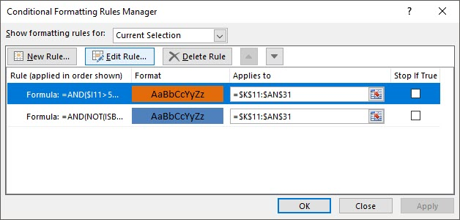
Excel Sprint Project Tracker - Guidance and Tips:
Type your own feature or task names and dates for each Sprint inside the table on the Excel Sprint Project Tracker sheet. The template's functions will automatically calculate the duration of each task and estimate how much each sprint will take to accomplish your goals.
The Gantt chart on the right of the Sprint Project tracker will auto-update whenever you change your tasks' dates or % Complete, or when you enter more items in the table.
To display a different time period on the timeline, change the number next to SCROLL TO WEEK in the table.
To enter additional features or tasks, simply insert new rows within the table and type in your data.
The Excel Sprint Project Tracker lets you quickly add extra Sprints, complete with the functions that automate calculations and graphic updates. To do so, select and copy all rows corresponding to an existing Sprint section, right-click on the row where you want to include your new section, and then select Insert Copied Cells from the pop-up. Then, just replace the duplicated data with new information.
The color of the Gantt chart task bars can also be changed, by using Conditional Formatting. Select all cells corresponding to the Gantt chart, click the Conditional Formatting button on the Home tab, and then select Manage Rules. Here, choose the formula you wish to customize (Blue for Completed Tasks, Orange for Tasks in Progress), and then click on Edit Rule. This is where you'll find all customization options for the task bar formulas, including the option to change the Orange or Blue Fill color.

Changing Task Colors

